Instructions
TEXAS HEALTH RESOUCES GRANTS APPLICATION Project Workplan and Budget Template Instructions

ORGANIZATION NAME:
GRANT TITLE:

INSTRUCTIONS:
This worksheet contains 3 tabs that must be completed and submitted with the application for funding.

1. Project Plan Table
This will be your scope of work table. Provide details for each named activity in your proposal, include the purpose, the reach (outputs), how you will determine completion, what level of completion indicates success, what percentage of your budget will fund this activity, and the start and end dates for each activity.
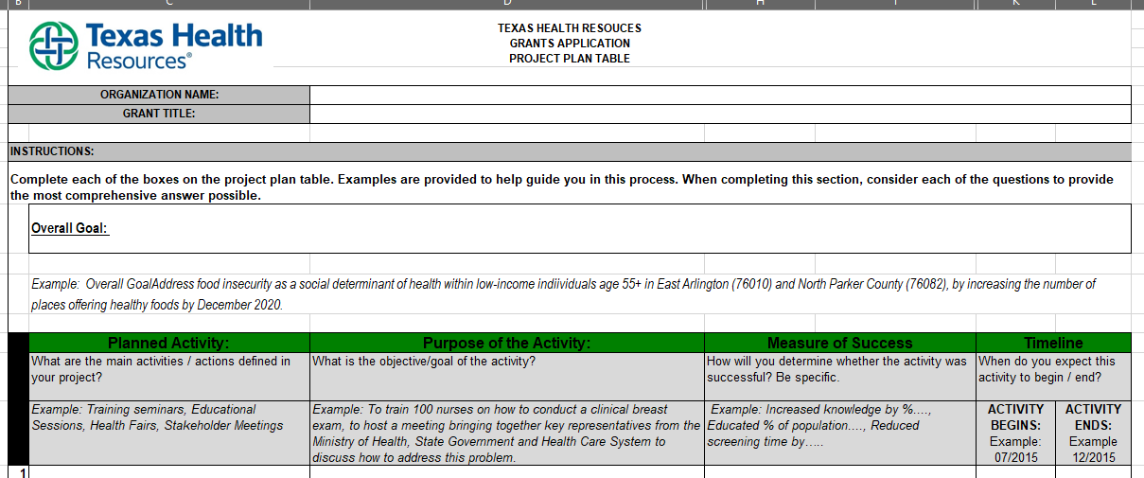

2. Budget Overview
Please provide a combined budget that details the funding allocations in the Project Plan Table. Please note the following: a. Budget Overview is for Lead Agency budget line items and Sub-Awardees full budget amounts. b. Use the SUBAWARDEES section to show the full amount you will provide to your collaborating organizations. c. Collaborating Organizations should complete their own line item budget worksheet using the Collaborator 1 tab as a template. d. Create a copy of the Collaborator 1 tab for each Sub-Awardee listed on your application. e. The total of each collaborator's budget should equal the amount on their line item in the SUBAWARDEES section of the Budget Overview.
 |  | Worksheet Tabs Screenshot:
Budget Overview Worksheet Screenshot:

 | Collaborator 1 Worksheet Screenshot:

